1. Title Page
Instacart Grocery Basket Analysis

Project Name: Instacart Grocery Basket Analysis
Date: 1/28/23
Analyst Name: Makayla Almond

Contents:
Population Flow
Consistency checks
Wrangling steps
Column derivations
Visualizations
Recommendations

2. Population Flow
Title page

Population flow

Exclusion flag
Condition: max_order < 5
Obervations to be removed: 1359981
Final total count of order_products_all: (30657347,36)

Orders_products_combined
Orders_products_merged
Orders_products_all

Total: (32,434,212,18)
Total: (32,640,698,13)
Total: (30,657,347,35)

3. Consistency checks
 |  |  |  | Title page
Consistency checks

Dataset | Missing values | Missing values treatment | Duplicates
orders | days_since_prior_order | Created column for first_time_ordering with true/false value | No duplicates found
products | product_name | Filter with false when missing taking out 16 rows | 5 duplicates dropped
orders_products_prior | None | N/A | No duplicates found
customers | First_name | Filter with false when missing taking out 11259 rows | No duplicates found

4. Wrangling steps
 |  |  |  | Title page
Wrangling steps

 |  | Orders
Columns dropped | Columns renamed | Columns' type changed | Comment/Reason
'eval_set' |  |  | eval_set was not relevant to the data so it was removed to save RAM and time when running data set.
 | 'order_dow" |  | Changed to orders_day_of_week so it is easier to understand when someone is reading it
 |  | order_id' | Changed to string from integer
 | 'order_hour_of_day' |  | Changed to 'hour_order_was_placed' for better understanding

 |  | Customers
Columns dropped | Columns renamed | Columns' type changed | Comment/Reason
 | 'Surname' |  | Changed to 'Last_name' for better understanding
 | 'STATE' |  | Changed to 'State' to fit rest of the words formatting
 | 'First Name' |  | Changed to 'First_name' to fit rest of the words formatting
 | 'n_dependants' |  | Changed to 'number_of_dependents' so we wouldl know what 'n' stands for
 | 'fam_status' |  | Changed to 'Family_status' to show full word when reading

5. Column derivations
 |  |  |  |  | Title page

Column derivations and aggregations

Dataset | New column | Column/s it was derived from | Conditions | Results
orders_products_merged | 'price_label' | 'prices' | if row['prices'] <= 5: return 'Low-range product' elif (row['prices'] > 5) and (row['prices'] <= 15): return 'Mid-range product' elif row['prices'] > 15: return 'High range' else: return 'Not enough data' | Mid-range product 21,890,146 Low-range product 10,126,384 High-range product 417,682
 | 'busiest_day' | 'order_dow' | if value == 0: result.append("Busiest day") elif value == 4: result.append("Least busy") else: result.append("Regularly busy") | Regularly busy 22,437,387 Busiest day 6,209,632 Least busy 3,787,193
 | 'busiest_days' | 'order_dow' | if value == (0 or 1): dayresults.append("Busiest days") elif value == (3 or 4): dayresults.append("slowest days") else: dayresults.append("Regularly busy days") | Regularly busy days 22,924,286 Busiest days 5,665,830 Slowest days 3,844,096
 | 'busiest_period_of_day' | 'order_hour_of_day' | if value == (10 or 11 or 14 or 15 or 13 or 12 or 16 or 9): periodresults.append("Most orders") elif value == (6 or 0 or 1 or 5 or 2 or 4 or 3): periodresults.append("Fewest orders") else: periodresults.append("Average orders") | Average orders 29,379,052 Most orders 2,764,390 Fewest orders 290,770
ords_prods_merged4.7 | 'loyalty_flag' | 'max_order' | ords_prods_mergedd.loc[ords_prods_mergedd ['max_order'] > 40, 'loyalty_flag'] = 'Loyal customer' ords_prods_mergedd.loc[(ords_prods_mergedd['max_order'] <= 40) & (ords_prods_mergedd['max_order'] > 10), 'loyalty_flag'] = 'Regular customer'ords_prods_mergedd.loc[ords_prods_mergedd['max_order'] <= 10, 'loyalty_flag'] = 'New customer' | Regular customer 15,891,077 Loyal customer 10,293,737 New customer 6,249,398
 | 'spending_flag' | 'Average_price' | ords_prods_mergedd.loc[ords_prods_mergedd['Average_price'] <10, 'Spending_flag'] = 'Low Spender'ords_prods_mergedd.loc[ords_prods_mergedd['Average_price'] >= 10, 'Spending_flag'] = 'High Spender' | High Spender 32,402,635 Low Spender 31,577
 | 'order_frequency_flag' | 'Customer_frequency' | ords_prods_mergedd.loc[ords_prods_mergedd['Customer_frequency'] > 20, 'order_frequency_flag'] = 'Non-frequent customer' ords_prods_mergedd.loc[(ords_prods_mergedd['Customer_frequency'] > 10) & (ords_prods_mergedd['max_order'] <=20), 'order_frequency_flag'] = 'Regular customer' ords_prods_mergedd.loc[ords_prods_mergedd['Customer_frequency'] <= 10, 'order_frequency_flag'] = 'Frequent customer' | Non-frequent customer 13,362,204 Regular customer 12,552,421 NaN 5,134,466 Frequent customer 1,385,121
4.9 instacrt merged | 'region' | 'State' | if value == ('Maine' or 'New Hampshire' or 'Vermont' or'Massachusetts' or 'Rhode Island' or 'Connecticut' or 'New York' or 'Pennsylvania' or 'New Jersey'): region.append('Northeast') elif value == ('Wisconsin' or 'Michigan' or 'Illinois' or 'Indiana' or 'Ohio' or 'North Dakota' or 'South Dakota' or 'Nebraska' or 'Kansas' or 'Minnesota' or 'Iowa' or 'Missouri' ): region.append('Midwest') elif value == ('Delaware' or 'Maryland' or 'District of Columbia' or 'Virginia' or 'West Virginia' or 'North Carolina' or 'South Carolina' or 'Georgia' or 'Florida' or 'Kentucky' or 'Tennessee' or 'Mississippi' or 'Alabama' or 'Oklahoma' or 'Texas' or 'Arkansas' or 'Louisiana'): region.append('South') else: region.append('West') | West 28,860,840 Northeast 610,863 South 599,369 Midwest 586,275
 | 'exclusion_flag' | 'max_order' | instacart_merged.loc[instacart_merged['max_order']< 5, 'exclusion_flag'] = 'Low_activity_customer' instacart_merged.loc[instacart_merged['max_order']>=5, 'exclusion_flag'] = 'Regular_activity_customer' | Regular_activity_customer 29,297,366 Low_activity_customer 1,359,981
 | 'age_flag' | 'Age' | instacart_regular_activity.loc[(instacart_regular_activity['Age']>=18)&(instacart_regular_activity['Age']<=38), 'age_flag'] = 'Young_adult' instacart_regular_activity.loc[(instacart_regular_activity['Age']>=39)&(instacart_regular_activity['Age']<=59), 'age_flag'] = 'Middle_age_adult' instacart_regular_activity.loc[instacart_regular_activity['Age']>60, 'age_flag'] = 'Senior_adult' | Middle_age_adult 9,670,532 Young_adult 9,619,075 Senior_adult 9,569,713 NaN 438,046
 | 'income_flag' | 'income' | instacart_regular_activity.loc[(instacart_regular_activity['income']>=0)&(instacart_regular_activity['income']<=100000), 'income_flag'] = 'low_income' instacart_regular_activity.loc[(instacart_regular_activity['income']>=100001)&(instacart_regular_activity['income']<=200000), 'income_flag'] = 'low_middle_income' instacart_regular_activity.loc[(instacart_regular_activity['income']>=200001)&(instacart_regular_activity['income']<=300000), 'income_flag'] = 'middle_income' instacart_regular_activity.loc[(instacart_regular_activity['income']>=300001)&(instacart_regular_activity['income']<=400000), 'income_flag'] = 'high_middle_income' instacart_regular_activity.loc[instacart_regular_activity['income']>400001, 'income_flag'] = 'high_income' | low_income 15,850,368 low_middle_income 13,206,931 middle_income 145,377 high_middle_income 49,248 high_income 45,442
 | 'dependent_flag' | 'number_of_dependents' | instacart_regular_activity.loc[(instacart_regular_activity['number_of_dependents']>=0)&(instacart_regular_activity['number_of_dependents']<=1), 'dependent_flag'] = 'small_family' instacart_regular_activity.loc[(instacart_regular_activity['number_of_dependents']>=1)&(instacart_regular_activity['number_of_dependents']<=2), 'dependent_flag'] = 'middle_family' instacart_regular_activity.loc[instacart_regular_activity['number_of_dependents']>=3, 'dependent_flag'] = 'large_family' | middle_family 14,633,262 large_family 7,344,622 small_family 7,319,482
 | 'pet_flag' | 'department_id' | instacart_regular_activity.loc[(instacart_regular_activity['department_id'] == 8), 'pet_flag'] = 'pet_friendly' instacart_regular_activity.loc[(instacart_regular_activity['department_id'] != 8), 'pet_flag'] = 'anti_pet' | anti_pet 29,209,509 pet_friendly 87,857

6. Visualizations
 |  |  |  |  |  |  |  |  |  |  |  | Title page

Visualisations

BUSIEST HOUR OF DAY
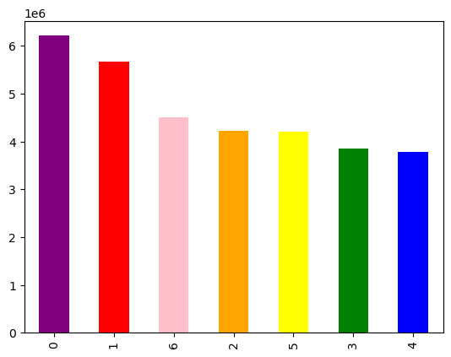
BUSIEST DAY OF WEEK
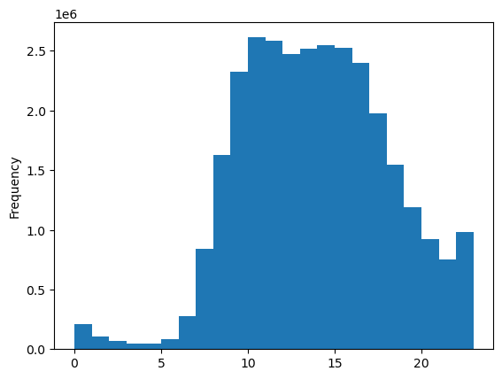

 |  |  |  |  |  |  |  |  | LEGEND:
 |  |  |  |  |  |  |  |  | 0 = SATURDAY
 |  |  |  |  |  |  |  |  | 1 = SUNDAY
 |  |  |  |  |  |  |  |  | 2 = MONDAY
 |  |  |  |  |  |  |  |  | 3 = TUESDAY
 |  |  |  |  |  |  |  |  | 4 = WEDNESDAY
 |  |  |  |  |  |  |  |  | 5 = THURSDAY
 |  |  |  |  |  |  |  |  | 6 = FRIDAY

 |  |  |  |  |  |  | DAY OF WEEK
 |  | HOUR OF DAY

 |  | The highest hours are roughly between 10-17. With the lowest being around hours 2-5. |  |  |  |  | The 2 busiest days are on the weekend 0 and 1 when most people have off work and the time to go grocery shopping. This lets us know that we need to have full inventory starting the weekend so that we can make the most profit by having the most product for people to buy.

BUSIEST DAY OF WEEK PER PRICES
BUSIEST HOUR OF DAY PER PRICES
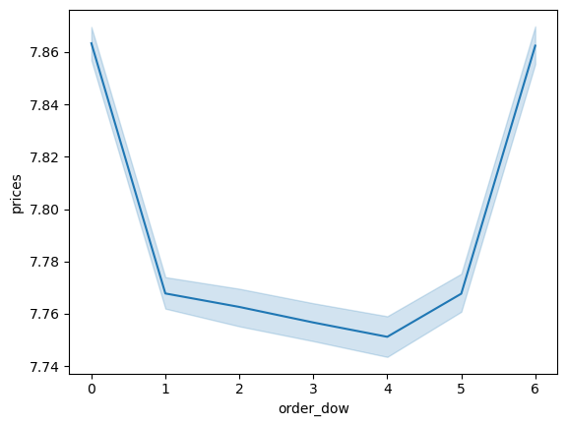
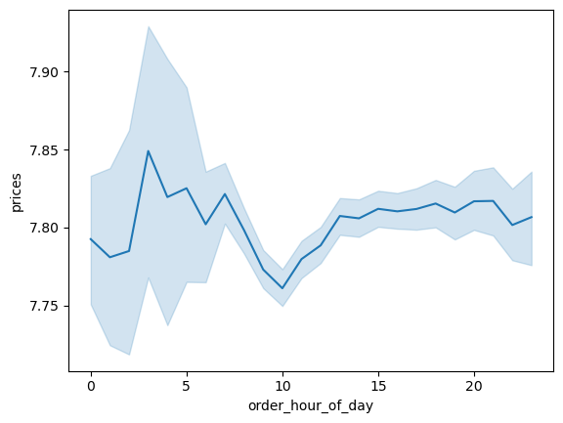

 |  |  |  |  |  |  |  |  |  |  | LEGEND:
 |  |  |  |  |  |  |  |  |  |  | 0 = SATURDAY
 |  |  |  |  |  |  |  |  |  |  | 1 = SUNDAY
 |  |  |  |  |  |  |  |  |  |  | 2 = MONDAY
 |  |  |  |  |  |  |  |  |  |  | 3 = TUESDAY
 |  |  |  |  |  |  |  |  |  |  | 4 = WEDNESDAY
 |  |  |  |  |  |  |  |  |  |  | 5 = THURSDAY
 |  |  |  |  |  |  |  |  |  |  | 6 = FRIDAY

 |  | Most money is spent is around 3am with a large dip at 10am. The spending is not consistent throughout the 24 hour day it is constantly fluctuating. |  |  |  |  |  | Orders stay lowered from Sunday to Thursday and go up drastically between Friday and Saturday. If people work throughout the week it may mean that when they stop in the store they don't have a a lot of time to shop and grab things and that may be why it is so low.

Are there certain types of products that are more popular than others? The marketing and sales teams want to know which departments have the highest frequency of product orders.

 |  | order_number
 |  |  | mean | min | max
 | department name | department_id
 | frozen | 1 | 16.126661 | 1 | 99 |  | The 4 most popular departments are:
 | other | 2 | 17.987885 | 1 | 99 |  | Bulk: 20.865177
 | bakery | 3 | 17.856301 | 1 | 99 |  | Babies: 19.799125
 | produce | 4 | 18.489287 | 1 | 99 |  | Produce: 18.489287
 | alcohol | 5 | 16.03675 | 1 | 99 |  | Dairy Eggs: 18.296841
 | international | 6 | 17.171021 | 1 | 99
 | beverages | 7 | 17.87618 | 1 | 99
 | pets | 8 | 16.096509 | 1 | 99
 | dry goods pasta | 9 | 16.630885 | 1 | 99
 | bulk | 10 | 20.865177 | 1 | 99
 | personal care | 11 | 16.877966 | 1 | 99
 | meat seafood | 12 | 16.557281 | 1 | 99
 | pantry | 13 | 17.287091 | 1 | 99
 | breakfast | 14 | 17.423899 | 1 | 99
 | canned goods | 15 | 16.917236 | 1 | 99
 | dairy eggs | 16 | 18.296841 | 1 | 99
 | household | 17 | 16.377248 | 1 | 99
 | babies | 18 | 19.799125 | 1 | 99
 | snacks | 19 | 17.804097 | 1 | 99
 | deli | 20 | 17.133477 | 1 | 99

Customer Loyalty



This chart shows that as age increases so does the income associated.
 |  |  |  |  | Largest portion of loyalty comes from regulalr customers. Regular customers total around 1.5 million compared to loyal which is only Abiut 1 milllion and new around 600,000. |  | 

Customer Age
Customer Income
Number of Dependents
Department_id
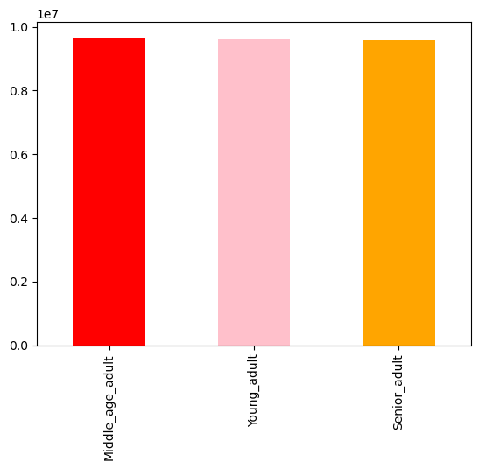
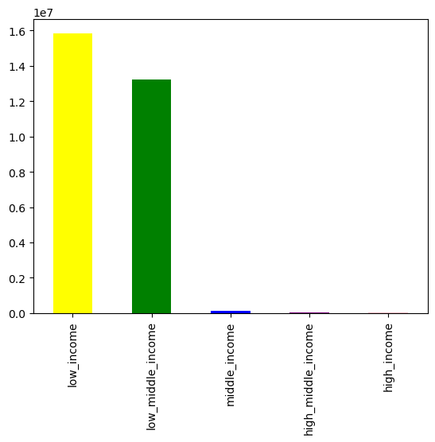
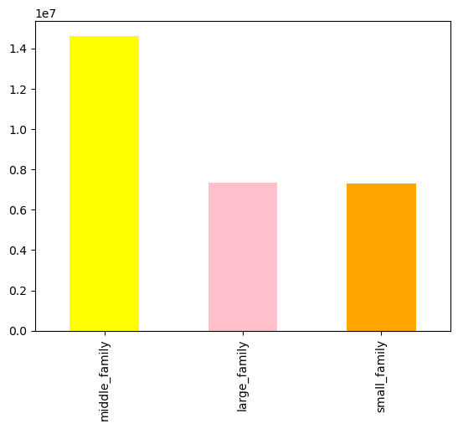
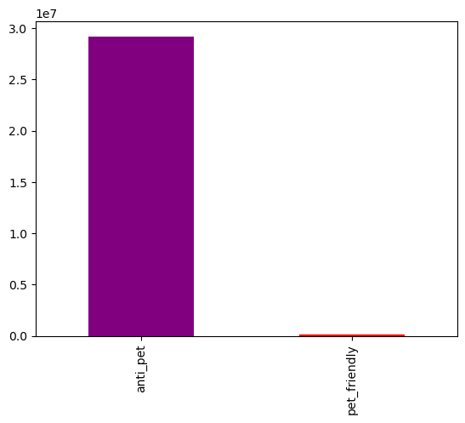

 |  | age groups would be 18-38: young adult, 39-59: middle age adult, 60 and older: senior adult |  |  |  | categories would be 0-100,000: low income, 100,001-200,000: low middle income, 200,001-300,000: ,middle income, 300,0001-400,000: high middle income, 400,001 or greater: high income |  |  |  | Categories will be 0-1 dependents: small family, 1-2 dependents: medium family, 3 or more: large family |  |  | 2 Categories if department 8 is bought we can assume they are: pet friendly, if department 8 isn't bought then we can assume they are: anti pet

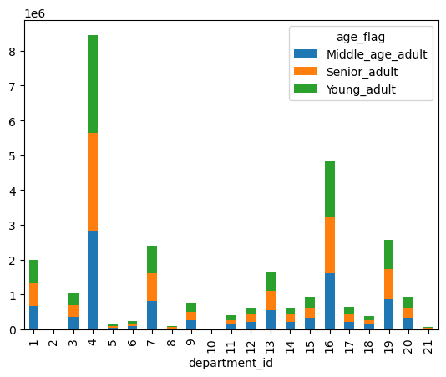
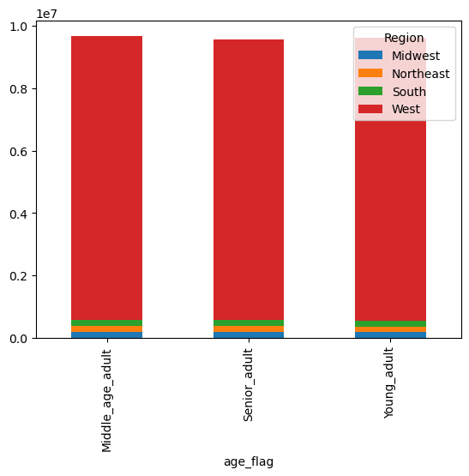
 |  |  |  |  |  |  |  |  | LEGEND:
 |  |  |  |  |  |  |  |  | frozen | 1
 |  |  |  |  |  |  |  |  | other | 2
 |  |  |  |  |  |  |  |  | bakery | 3
 |  |  |  |  |  |  |  |  | produce | 4
 |  |  |  |  |  |  |  |  | alcohol | 5
 |  |  |  |  |  |  |  |  | international | 6
 |  |  |  |  |  |  |  |  | beverages | 7
 |  |  |  |  |  |  |  |  | pets | 8
 |  |  |  |  |  |  |  |  | dry goods pasta | 9
 |  |  |  |  |  |  |  |  | bulk | 10
 |  |  |  |  |  |  |  |  | personal care | 11
 |  |  |  |  |  |  |  |  | meat seafood | 12
 |  |  |  |  |  |  |  |  | pantry | 13
 |  |  |  |  |  |  |  |  | breakfast | 14
 |  |  |  |  |  |  |  |  | canned goods | 15
 |  |  |  |  |  |  |  |  | dairy eggs | 16
 |  |  |  |  |  |  |  |  | household | 17
 |  |  |  |  |  |  |  |  | babies | 18
 |  |  |  |  |  |  |  |  | snacks | 19
 |  |  |  |  |  |  |  |  | deli | 20

 |  | Age based on region showed that the west dominates all ages. |  |  |  |  | Age based on department shows department 4 (produce) is highest in all age groups.
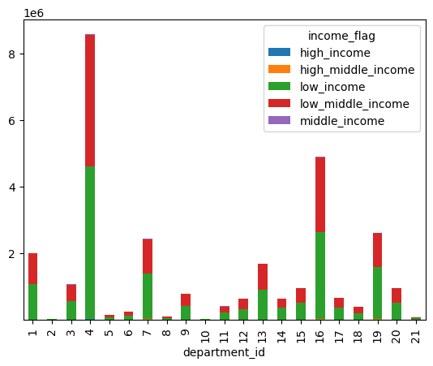
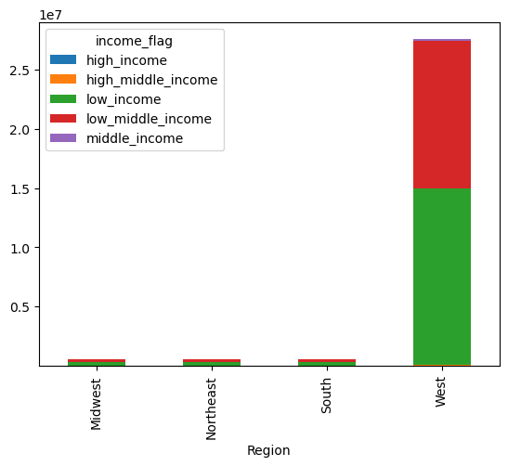
 |  |  |  |  |  |  |  |  | LEGEND:
 |  |  |  |  |  |  |  |  | frozen | 1
 |  |  |  |  |  |  |  |  | other | 2
 |  |  |  |  |  |  |  |  | bakery | 3
 |  |  |  |  |  |  |  |  | produce | 4
 |  |  |  |  |  |  |  |  | alcohol | 5
 |  |  |  |  |  |  |  |  | international | 6
 |  |  |  |  |  |  |  |  | beverages | 7
 |  |  |  |  |  |  |  |  | pets | 8
 |  |  |  |  |  |  |  |  | dry goods pasta | 9
 |  |  |  |  |  |  |  |  | bulk | 10
 |  |  |  |  |  |  |  |  | personal care | 11
 |  |  |  |  |  |  |  |  | meat seafood | 12
 |  |  |  |  |  |  |  |  | pantry | 13
 |  |  |  |  |  |  |  |  | breakfast | 14
 |  |  |  |  |  |  |  |  | canned goods | 15
 |  |  |  |  |  |  |  |  | dairy eggs | 16
 |  |  |  |  |  |  |  |  | household | 17
 |  |  |  |  |  |  |  |  | babies | 18
 |  |  |  |  |  |  |  |  | snacks | 19
 |  |  |  |  |  |  |  |  | deli | 20

 |  | Income based on region shows the west with highest numbers especially with low_middle_income and low_income. |  |  |  |  | Income based on department shows department 4 (produce) having the largest amount coming from low_middle_income and low_income.

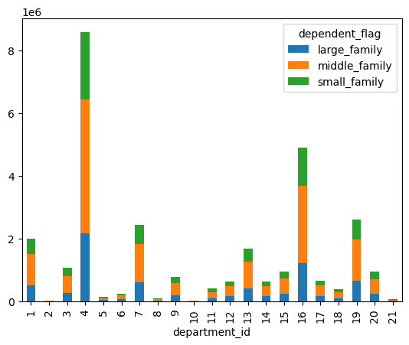
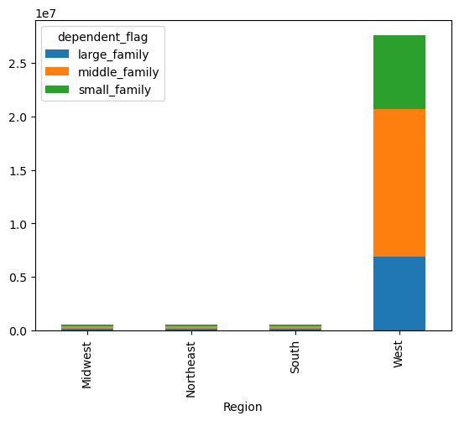
 |  |  |  |  |  |  |  |  | LEGEND:
 |  |  |  |  |  |  |  |  | frozen | 1
 |  |  |  |  |  |  |  |  | other | 2
 |  |  |  |  |  |  |  |  | bakery | 3
 |  |  |  |  |  |  |  |  | produce | 4
 |  |  |  |  |  |  |  |  | alcohol | 5
 |  |  |  |  |  |  |  |  | international | 6
 |  |  |  |  |  |  |  |  | beverages | 7
 |  |  |  |  |  |  |  |  | pets | 8
 |  |  |  |  |  |  |  |  | dry goods pasta | 9
 |  |  |  |  |  |  |  |  | bulk | 10
 |  |  |  |  |  |  |  |  | personal care | 11
 |  |  |  |  |  |  |  |  | meat seafood | 12
 |  |  |  |  |  |  |  |  | pantry | 13
 |  |  |  |  |  |  |  |  | breakfast | 14
 |  |  |  |  |  |  |  |  | canned goods | 15
 |  |  |  |  |  |  |  |  | dairy eggs | 16
 |  |  |  |  |  |  |  |  | household | 17
 |  |  |  |  |  |  |  |  | babies | 18
 |  |  |  |  |  |  |  |  | snacks | 19
 |  |  |  |  |  |  |  |  | deli | 20

 |  | Number of dependents based on region show the west having the highest number of middle_family. |  |  |  |  | Number of dependents based on department shows department 4 (produce) is mostly bought by middle_families.

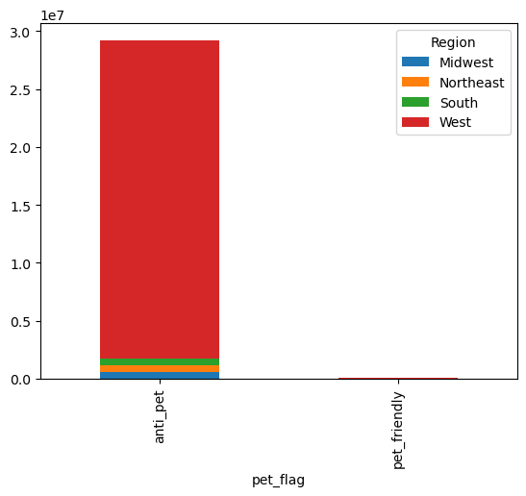

 |  |  |  |  | Pet department based on region shows that all regions are more likely to not purchase anything from the pet department.

7. Recommendations
 |  |  |  |  |  |  |  |  | Title page

Recommendations

The sales team needs to know what the busiest days of the week and hours of the day are (i.e., the days and times with the most orders) in order to schedule ads at times when there are fewer orders

BUSIEST HOUR OF DAY
BUSIEST DAY OF WEEK

 |  |  |  |  |  |  |  | LEGEND:
 |  |  |  |  |  |  |  | 0 = SATURDAY
 |  |  |  |  |  |  |  | 1 = SUNDAY
 |  |  |  |  |  |  |  | 2 = MONDAY
 |  |  |  |  |  |  |  | 3 = TUESDAY
 |  |  |  |  |  |  |  | 4 = WEDNESDAY
 |  |  |  |  |  |  |  | 5 = THURSDAY
 |  |  |  |  |  |  |  | 6 = FRIDAY
 |  |  |  |  | Observation: It is clear to see that the weekend (Saturday and Sunday) is the busiest time of the week for customers to come in and that people come in most of the time between hours 10-17. | Recommendation: Scheduling ads during Saturday and Sunday between the hours of 10am - 5pm would be best.

They also want to know whether there are particular times of the day when people spend the most money, as this might inform the type of products they advertise at these times.

BUSIEST HOUR OF DAY PER PRICES

 |  |  |  |  | Observation: The busiest hours with money spent would be 3am-6am while the least busy hours would be 9am-11am. | Recommendations: Raising prices in the off hours could be done by offering early bird discounts but you can set the times when they would have to order. So it could be set for the low hours of 9am-11am and that could help increase the amount of money spent during that time frame.

Are there certain types of products that are more popular than others? The marketing and sales teams want to know which departments have the highest frequency of product orders.

 |  | order_number
 |  |  | mean | min | max
 | department name | department_id
 | frozen | 1 | 16.126661 | 1 | 99
 | other | 2 | 17.987885 | 1 | 99
 | bakery | 3 | 17.856301 | 1 | 99 |  | Observation: The 4 most popular departments are:
 | produce | 4 | 18.489287 | 1 | 99 |  | Bulk: 20.865177
 | alcohol | 5 | 16.03675 | 1 | 99 |  | Babies: 19.799125
 | international | 6 | 17.171021 | 1 | 99 |  | Produce: 18.489287
 | beverages | 7 | 17.87618 | 1 | 99 |  | Dairy Eggs: 18.296841
 | pets | 8 | 16.096509 | 1 | 99 |  | The 4 Least popular departments are:
 | dry goods pasta | 9 | 16.630885 | 1 | 99 |  | alcohol: 16.0368
 | bulk | 10 | 20.865177 | 1 | 99 |  | pets: 16.0965
 | personal care | 11 | 16.877966 | 1 | 99 |  | frozen: 16.1267
 | meat seafood | 12 | 16.557281 | 1 | 99 |  | household: 16.3772
 | pantry | 13 | 17.287091 | 1 | 99
 | breakfast | 14 | 17.423899 | 1 | 99
 | canned goods | 15 | 16.917236 | 1 | 99
 | dairy eggs | 16 | 18.296841 | 1 | 99 |  | Recommendation: Run sales for popular items so that they can continue to grow with sales but also try to advirtise the low departments closer to the front page of the weekly Ad to bring attention to them and draw more people into buying them.
 | household | 17 | 16.377248 | 1 | 99
 | babies | 18 | 19.799125 | 1 | 99
 | snacks | 19 | 17.804097 | 1 | 99
 | deli | 20 | 17.133477 | 1 | 99

What’s the distribution among users in regards to their brand loyalty (i.e., how often do they return to Instacart)?

Customer Loyalty

 |  |  |  |  | Observations: Regular customers make up a large portion of loyalty coming in around 1.6 million while actual loyal customers only have about 1 million. | Recommendations: Offering loyalty benefits or programs to customers to help drive up our loyal customer count and benefit from more profit if they become a loyal customer.

Are there differences in ordering habits based on a customer’s region?

 | Observations: Based off of the visualizations on tab 6 it lets us know that the west heavily dominates region in all categories which include: age, income, number of dependents, and department_id. |  | Recommendations: Running surveys in all regions and identifying a reason as to why one region dominates over the other. People in the west may have easier access to getting our products than other regions. In order to better understand the results i thinking surveying would be a good option.

Is there a connection between age and family status in terms of ordering habits?

 |  |  |  |  | Observations: Not much of a connection between age and family status but there is a connection between age and income that we could possibly link to ordering habits. You can see that as age increases so does the income, it could be assumed that more income could mean more ordering because they have more money to do so. | Recommendations: Giving out senior member discounts or special promotions could drive the sales in older people with the possibillity of them spending more.

What differences can you find in ordering habits of different customer profiles? Consider the price of orders, the frequency of orders, the products customers are ordering, and anything else you can think of.

 | Observations: Middle sized families with low income or middle low income have a higher frequency in transactions per the visualizations in tab 6. |  | Reccomendations: Keep promoting to these profiles to increase sales growth.

